Dirty 30
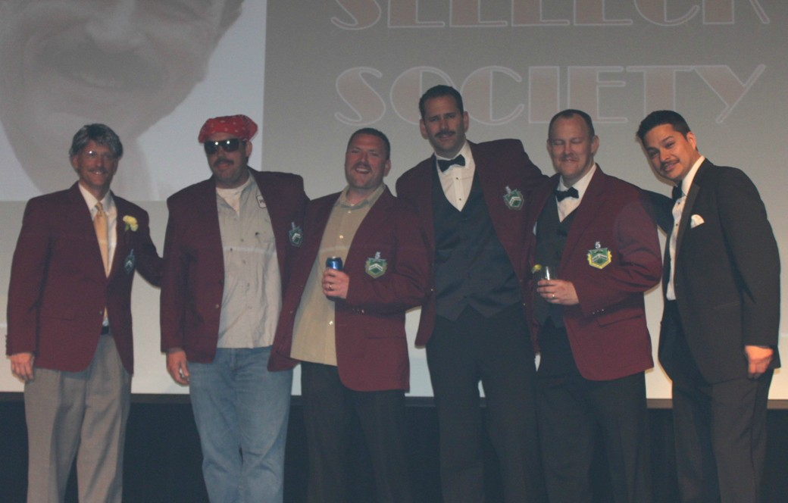
Dirty 30 & The First Selleck Society Members
Last Name | First Name | 2009 | 2010 | 2011 | 2012 | 2013* | 2014 | 2015
Slagle | Jay | X | X | X | X | X | X | -
Bizzari | Joe | X | X | X | - | - | - | -
Covi | Kris | X | X | X | X | X | X | x
Mazur | Randy | X | X | X | X | X | - | -
Perez | Adam | X | X | X | X | X | X | x
Kerr | Brady | X | X | X | X | X | X | -
Minderman | David | X | X | X | X | X | X | -

Pictured at Stache Bash 2013 - Jay Slagle, David Minderman, Randy Mazur, Kris Covi, Brady Kerr, and Adam Perez |  |  |  |  |  |  |  |  | Notes
 |  |  |  |  |  |  |  |  | Of the original “Dirty 30” 7 of them made Selleck in year one, and by year 7 (2015) there were 2 remaining. In 2023, David Minderman returned after a 8 year absence.

 |  |  |  |  |  |  |  |  | *5th Year Patch on Red Smoking Jackets

